DashBoard
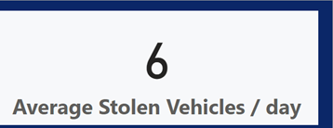
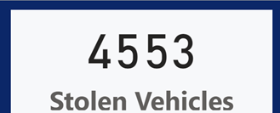
Report on New Zealand Vehicles Thefts

No. of Stolen vehicles / Region
 | Total
Waikato | 100.00%
No. of Stolen Vehicles / Type
 | Total
Boat Trailer | 105
Hatchback | 644
Light Van | 154
Moped | 187
Roadbike | 297
Saloon | 851
Stationwagon | 945
Trailer | 582
Trailer - Heavy | 90
Utility | 466

 | Jan | Feb | Mar | Apr | Oct | Nov | Dec
2021 | 0.00% | 0.00% | 0.00% | 0.00% | 8.09% | 8.36% | 15.63%
2022 | 16.44% | 18.87% | 24.26% | 8.36% | 0.00% | 0.00% | 0.00%

Stlen cars month
No. of Stolen Cars | Column Labels
Row Labels | Jan | Feb | Mar | Apr | Oct | Nov | Dec | Grand Total
2021 | 0.00% | 0.00% | 0.00% | 0.00% | 8.09% | 8.36% | 15.63% | 32.08%
2022 | 16.44% | 18.87% | 24.26% | 8.36% | 0.00% | 0.00% | 0.00% | 67.92%
Grand Total | 16.44% | 18.87% | 24.26% | 8.36% | 8.09% | 8.36% | 15.63% | 100.00%

Stlen Vehicles Region
No. of Stolen vehicles / Region

Row Labels | Stolen Vehicles / Region
Waikato | 100.00%
Grand Total | 100.00%

No. of stolen Vehicles (2)
No. of Stolen Vehicles / Type
Row Labels | No. of Stolen Vehicles
Boat Trailer | 105
Hatchback | 644
Light Van | 154
Moped | 187
Roadbike | 297
Saloon | 851
Stationwagon | 945
Trailer | 582
Trailer - Heavy | 90
Utility | 466
Grand Total | 4321

No. of stolen Vehicles
Row Labels | No. of Stolen Vehicles
Jan | 740
2022 | 740
Feb | 763
2022 | 763
Mar | 1053
2022 | 1053
Apr | 329
2022 | 329
Oct | 464
2021 | 464
Nov | 560
2021 | 560
Dec | 644
2021 | 644
Grand Total | 4553

